Sheet1
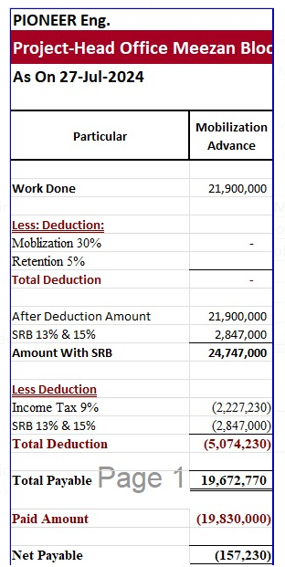
Bill Summary for the project Meezan Bank |  |  |  |  |  |  | MOBILIZATION ADVANCE |  | RETENTION AMOUNT
Contract Amount |  |  |  | 55,163,506 |  |  |  |  | DEDUCTION IN IPC 2 | 791,574
Mobilizatin adv 20% |  |  |  | 21,900,000 | Contract Amount | 78,840,000 | Mob advance 30% | 21,900,000 | DEDUCTION IN adhoc in IPC 3 | 884,131
 |  |  |  |  | Verified (IPC-1 | 15,831,488 |  |  | DEDUCTION IN IPC 2
 | IPC-01 | IPC-02 | IPC-03 |  | LESS Tax 7.5% | 1,187,362
RUNNING BILL NO 1 | 15,831,488 |  |  | 15,831,488 | Remaining | 14,644,126 |  |  | TOTAL RECEIVABLE | 1,675,705
 |  |  |  |  | LESS Mob 20% | 2,928,825 | Received | 19,672,770
Less Tax |  | 7.5% |  | 1,187,362 | LESS Retention 5% | 732,206
 |  |  |  |  | Remaining | 10,983,095 | Remaining
Balance Payable |  |  |  | 14,644,126

Less Mobilization 30% |  | 30% |  | 4,393,238 |  |  | DEDUCTION
Less Retention 5% |  | 5% |  | 732,206 |  |  | DEDUCTION IN IPC 2 | 4,749,466
Payable Amount |  |  |  | 9,518,682 |  |  | DEDUCTION IN adhoc in IPC 3 | 5,304,787
 |  |  |  |  |  |  | DEDUCTION IN adhoc in IPC 3
Already received
 |  |  |  |  |  |  | TOTAL | 10,054,253
Net Payable |  |  |  | 9,518,682 |  |  | Mob Payable | 9,618,517

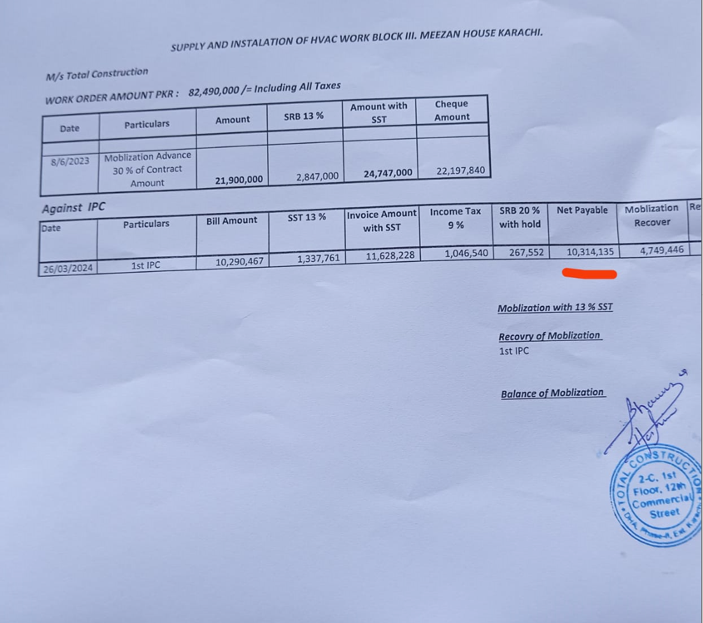

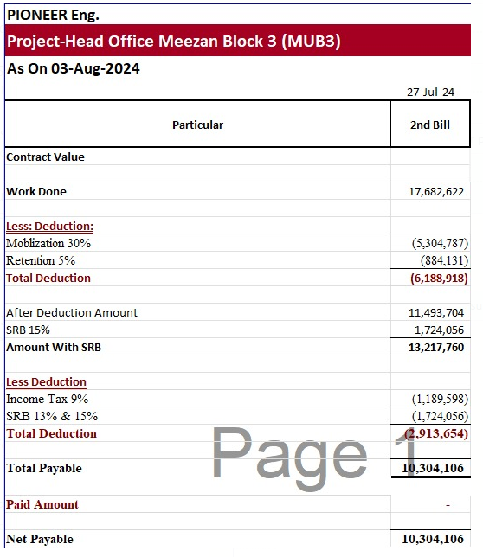
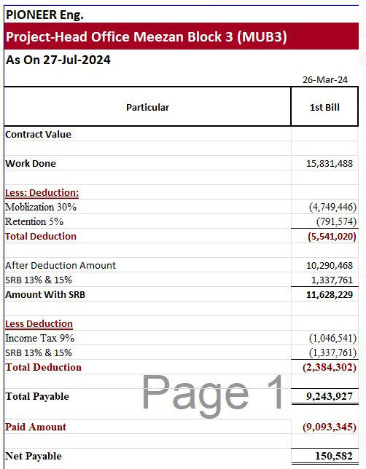
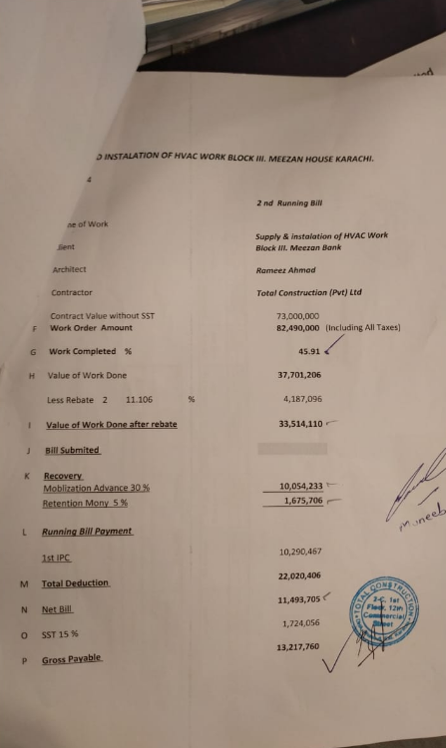

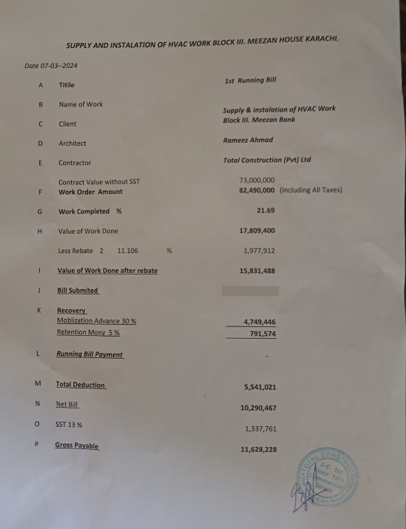

 |  |  |  | 17,682,622 | 15,831,488

 |  |  |  | 5,304,787 | 4,749,446
 |  |  |  | 884,131 | 791,574

 |  |  |  | 11,493,704 | 10,290,467

 |  |  |  | 1,724,056 | 1,337,761

 |  |  |  | 13,217,760 | 11,628,228

 |  |  |  | 1,189,598 | 1,046,541

 |  |  |  | 1,724,056 | 1,337,761

 |  |  |  | 10,304,106 | 9,243,927

